Custom Calculator

 |  |  | NYSEG-RGE C&I Custom Rebate Calculator
 |  |  | Version: 48, Date: 08/01/2023

 | Building Category |  |  |  |  | Project-Level Summary:
 | Customer's Utility Company |  |  |  |  | Annual Electric Savings (kWh): |  | 0.000
 |  |  |  |  |  | Peak Demand Savings (kW): |  | 0.000
 | Average kWh Rate ($/kWh): |  | $0.10 |  |  | Annual Natual Gas Savings (Therms): |  | 0.000
 | Custom Electric Rebate Rate ($/kWh): |  | $0.20 |  |  | Total Project Cost ($): |  | $0.00 |  |  |  |  |  |  |  |  | Highlighting Rules
 | Average Gas Rate ($/Therm): |  | $1.00 |  |  | Rebate ($): |  |  |  |  |  |  |  |  |  |  | Measure does not qualify for a rebate as it does not pass the benefit to cost ratio screening requirements.
 | Custom Gas Rebate Rate ($/Therm): |  | $1.50 |  |  | Project Benefit to Cost Ratio (BCR):

 | Measure Details |  |  |  |  |  |  |  | Project Details |  |  |  |  |  |  |  | Rebate and Energy Savings Summary
Row Number | Measure Name (Optional) | Measure Description | Measure Type | Number of Units (Optional) | Annual Operating Hours (Optional) | Savings - Peak Summer Demand (kW) June/July/August 4 - 5PM (Weekdays) | Savings - Annual kWh | Savings - Annual Therms | Replacement Reason | Equipment Condition (Early Replacement Only) | Age of Existing Equipment (Years) | Effective Useful Life (Years) | Total Project Cost ($) - Labor and Materials | Incremental Project Cost ($) | Comments (Optional) |  | Annual Electric Savings (kWh) | Peak Demand Savings (kW) | Annual Natural Gas Savings (Therms) | Simple Payback Before Incentive (Yrs)
1 |  |  |  |  |  |  |  |  |  |  |  |  |  |  |  |  | 0.000 | 0.000 | 0.000 | 0.00
2 |  |  |  |  |  |  |  |  |  |  |  |  |  |  |  |  | 0.000 | 0.000 | 0.000 | 0.00
3 |  |  |  |  |  |  |  |  |  |  |  |  |  |  |  |  | 0.000 | 0.000 | 0.000 | 0.00
4 |  |  |  |  |  |  |  |  |  |  |  |  |  |  |  |  | 0.000 | 0.000 | 0.000 | 0.00
5 |  |  |  |  |  |  |  |  |  |  |  |  |  |  |  |  | 0.000 | 0.000 | 0.000 | 0.00
6 |  |  |  |  |  |  |  |  |  |  |  |  |  |  |  |  | 0.000 | 0.000 | 0.000 | 0.00
7 |  |  |  |  |  |  |  |  |  |  |  |  |  |  |  |  | 0.000 | 0.000 | 0.000 | 0.00
8 |  |  |  |  |  |  |  |  |  |  |  |  |  |  |  |  | 0.000 | 0.000 | 0.000 | 0.00
9 |  |  |  |  |  |  |  |  |  |  |  |  |  |  |  |  | 0.000 | 0.000 | 0.000 | 0.00
10 |  |  |  |  |  |  |  |  |  |  |  |  |  |  |  |  | 0.000 | 0.000 | 0.000 | 0.00
11 |  |  |  |  |  |  |  |  |  |  |  |  |  |  |  |  | 0.000 | 0.000 | 0.000 | 0.00
12 |  |  |  |  |  |  |  |  |  |  |  |  |  |  |  |  | 0.000 | 0.000 | 0.000 | 0.00
13 |  |  |  |  |  |  |  |  |  |  |  |  |  |  |  |  | 0.000 | 0.000 | 0.000 | 0.00
14 |  |  |  |  |  |  |  |  |  |  |  |  |  |  |  |  | 0.000 | 0.000 | 0.000 | 0.00
15 |  |  |  |  |  |  |  |  |  |  |  |  |  |  |  |  | 0.000 | 0.000 | 0.000 | 0.00
 |  |  |  |  |  |  |  |  |  |  |  | Totals: | $0.00 | $0.00 |  | Totals: | 0.00 | 0.00 | 0.00

NYS TRM V10 Appendix P
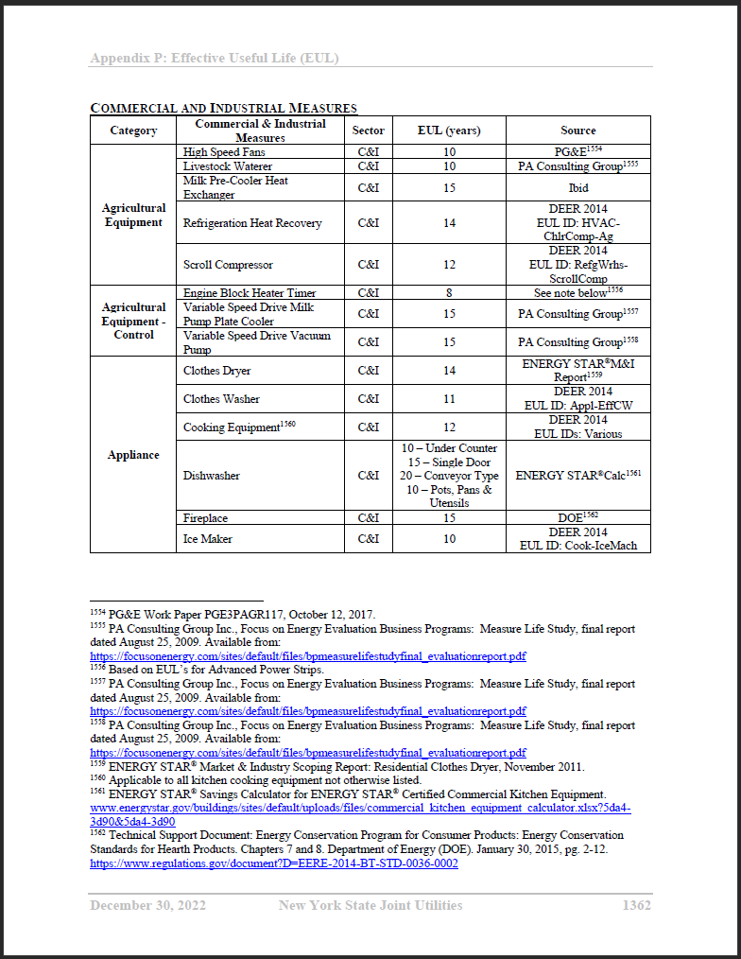
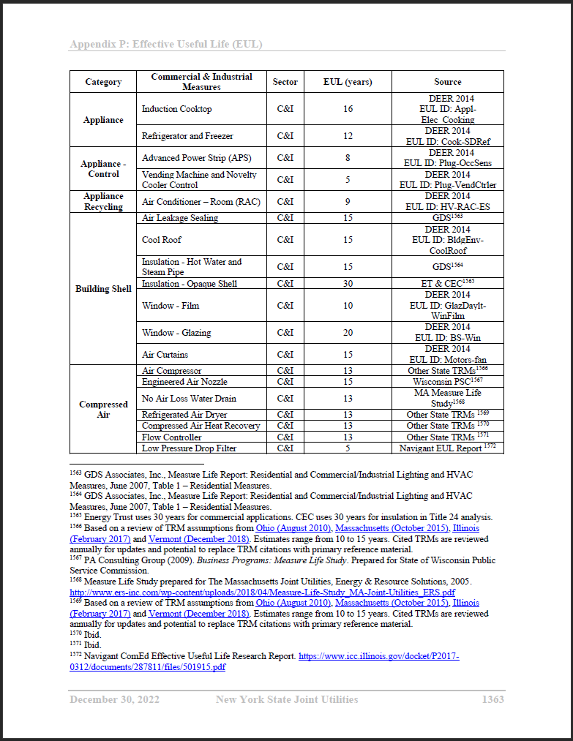
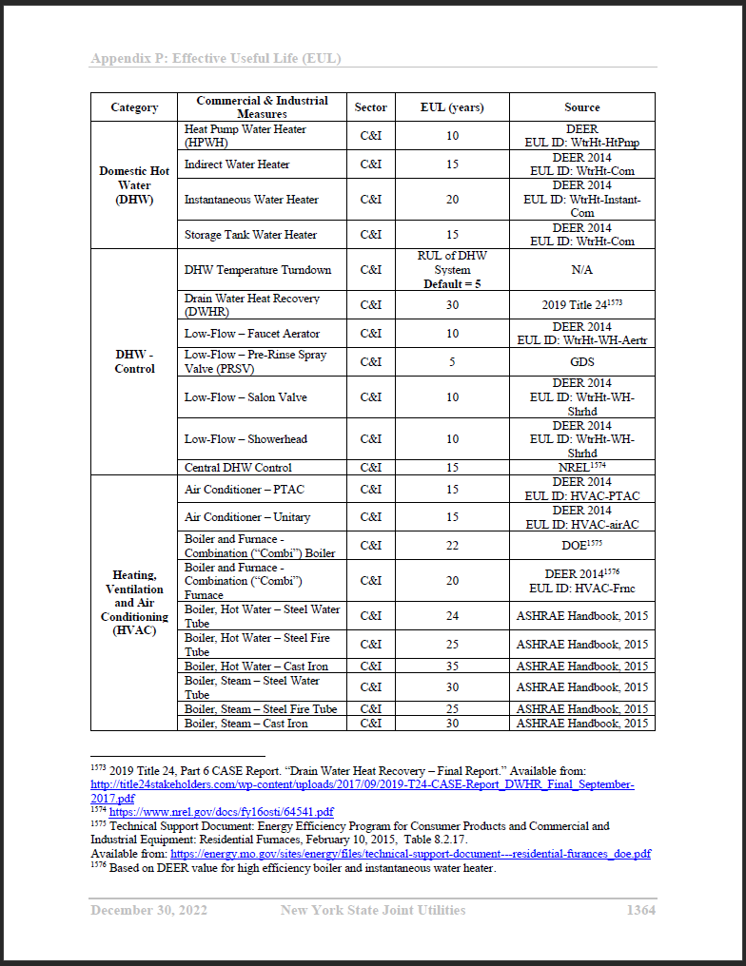
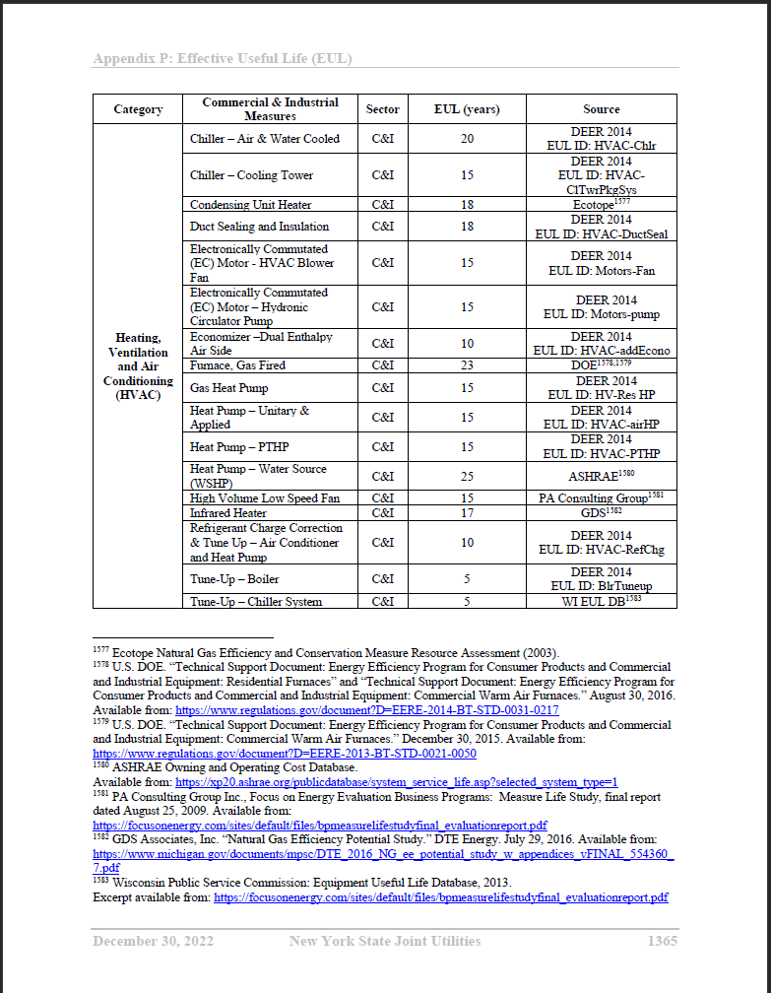
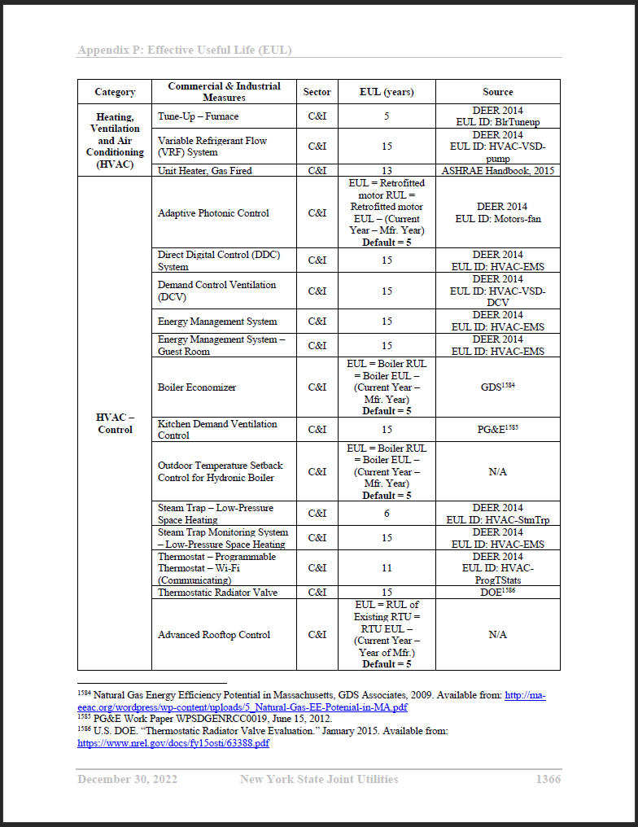
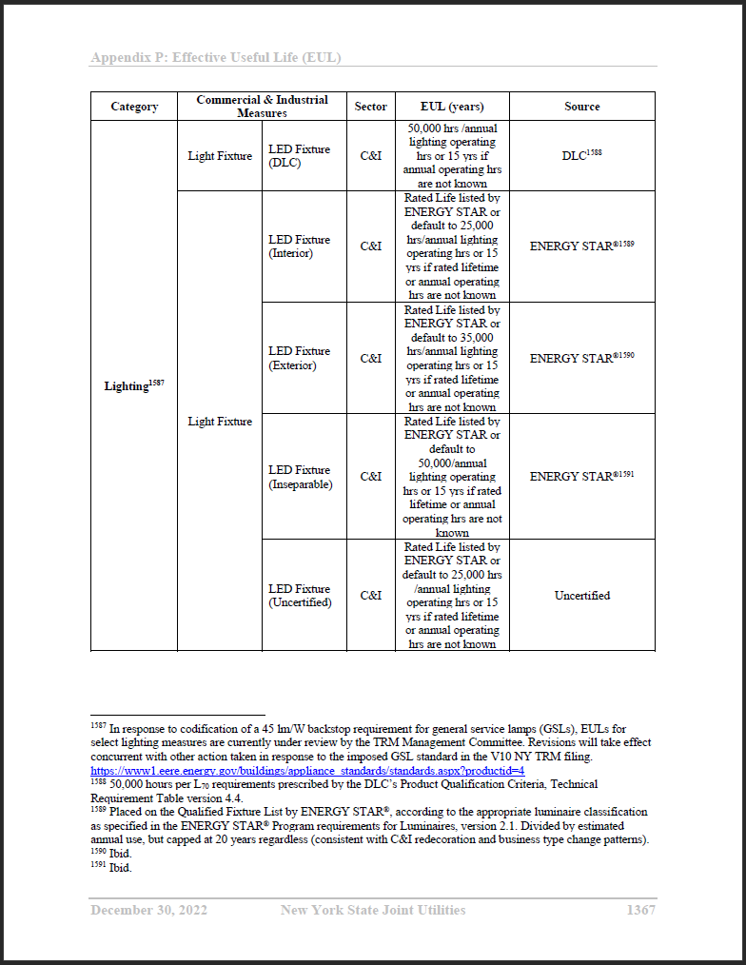
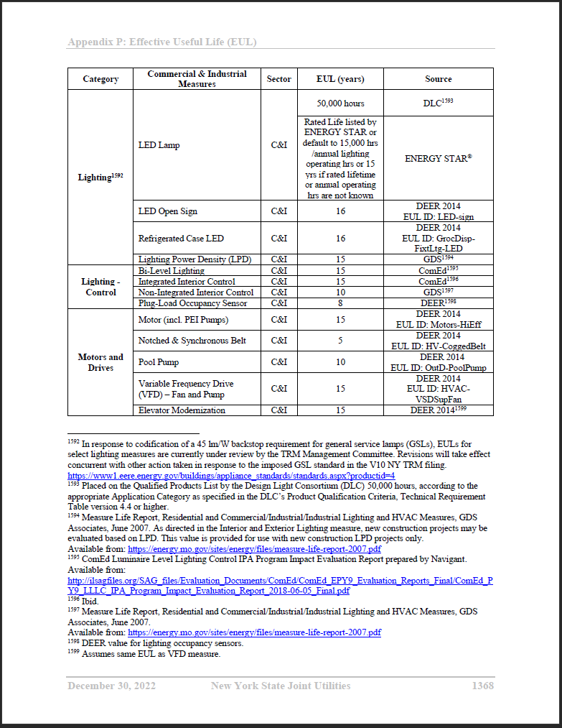
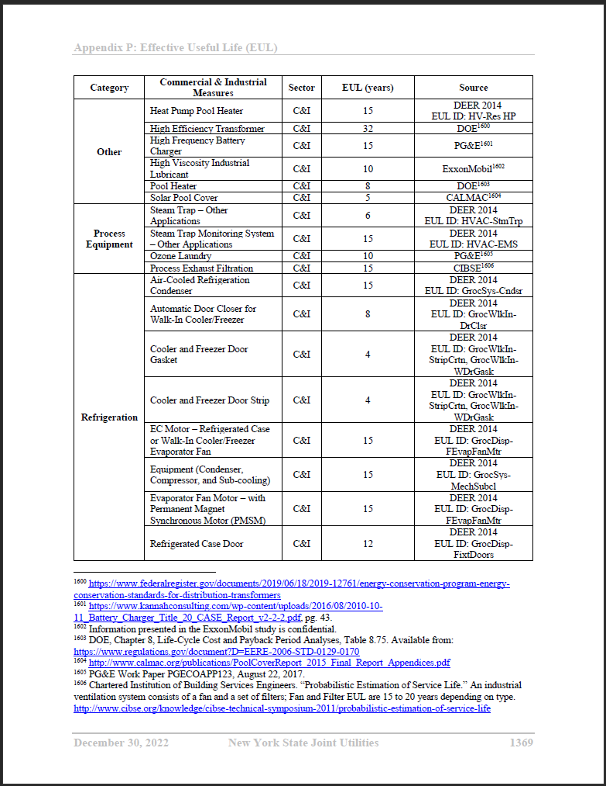
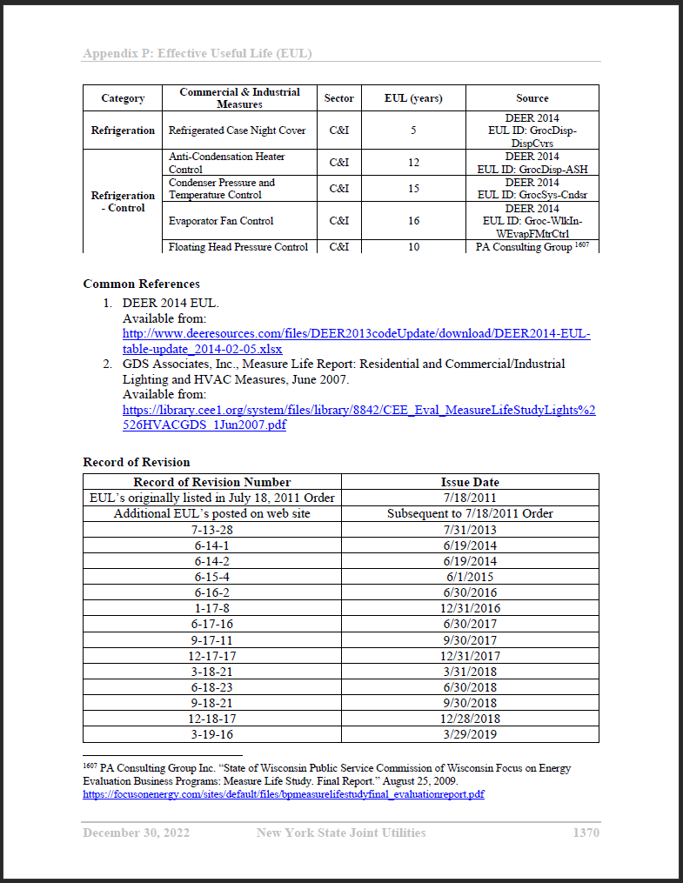
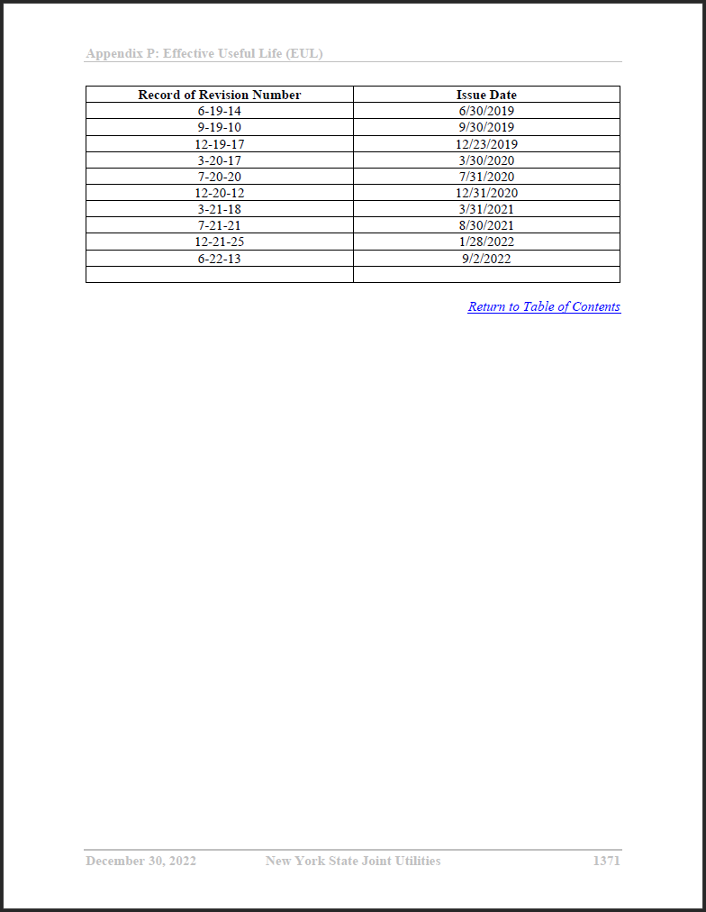
New York State Technical Resource Manual Version 10

